Alert Message
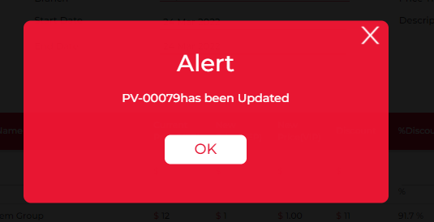
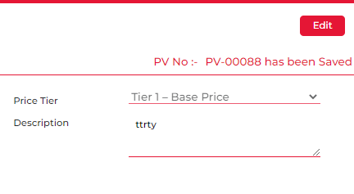
 | Steps | Level | Status | Current Alert Message | Revised Alert Message | Remarks
2 | While uploading attachment | User/ 1st Approver Screen | Under Testing | File uploaded successfully | File upload successful | Change the alert message on 1st approver screen as well
5 | When user cancel the PV form | User Screen | Issue Found | Price variance form cancelled successfully | Are you sure you want to cancel PV-XXXX? Yes/No PV-XXXX has been Cancelled | Alert message not showing up and after clicking on Yes revised alert message is not showing up
6 | When Description is not filled | User Screen/ 1st Approver Screen/ Release User screen | Under Testing | Please Enter the Description | Please enter the Description | Spelling of Description is Incorrect in Alert message
10 | When Approver proceeds to approve/Reject/Change for Request PV form without Approvers Comment | 1st/2nd/3rd Approver screen | Issue Found | Please Enter the 1st/2nd/3rd Approver Comment | Approver comment is mandatory | Keep the same Alert message when approver Reject the whole PV Form
11 | When approved by 1st approver | 1st approver | Issue Found | Price Variance form Approved successfully | PV-XXXX has been Approved | Provide space between PV number and word
12 | When approved by 2nd approver | 2nd Approver | Issue Found | Price Variance form Approved successfully | PV-XXXX has been Approved | Provide space between PV number and word
13 | When PV form rejected by any of Approver | 1st/2nd/3rd Approver screen | Issue Found | Price Variance form is reject successfully | PV-XXXX has been Rejected | Provide space between PV number and word
14 | When 2nd approver escalate the PV form | 2nd Approver | Issue Found | Price Variance form escalated successfully | PV-XXXX has been Escalated to Approver 3 | Provide space between PV number and word
15 | When approver Request for Change | 1st/2nd/3rd Approver screen | Issue Found | Request for change raised successfully (Approver-1) Price Variance form approved successfully (Approver-2) Price Variance Form is Reject Successfully (Approver-3) | You have requested for a change in PV-XXXX | Provide space between PV number and word
16 | When PV form released into AX | Release user screen |  | Price Variance synced successfully into AX. | PV-XXXX has been Released
17 | When 1st Approver and Release user clicks on update button | 1st approver/ Release user | Issue Found | Data update Successfully | PV-XXXX has been Updated | Provide space between PV number and word
18 | When approver approve/ Reject lines from header button without selecting any lines. | All Approvers | Issue Found | Please select the line | Please select the lines to Approve/Reject | Approve word in case of Approve and Reject word in case of Reject action
20 | When user opens PV form from Draft mode and update the form | User screen | Issue Found | Data update Successfully | PV-XXXX has been Updated | Provide space between PV number and word
21 | Sync Account Selection/Sync Item Selection | Release user screen |  | Data are not available to sync to AX | Account Selection cannot be synced Item Selection cannot be synced
23 | When user/1st approver delete any attachment | User/ 1st Approver Screen | Pending | Image delete successfully | File has been Removed

